Introduction of Excel
 | Introduction Of Excel

 | Microsoft Excel is one of the most used software applications of all time. Hundreds of millions of people around the world use Microsoft Excel. You can use Excel to enter all sorts of data and perform financial, mathematical or statistical calculations.
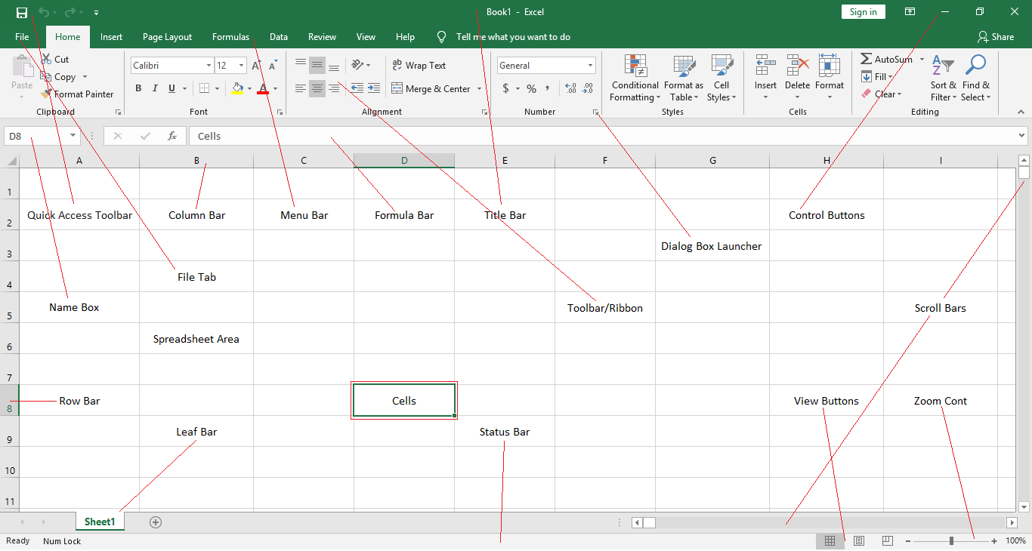

Basic Function of the Excel Prepared By:
Inayat Isane - OE Trainer

Transpose
Exercise 8

How to Transpose Data from Col to Row ?

Forties Stockiest

Sales | Qtr -1 | Qtr -2 | Qtr -3 | Qtr -4 |  | Use the 'Paste Special Transpose' option to switch rows to columns or columns to rows in Excel. You can also use the TRANSPOSE function.
EAST | 2099 | 2088 | 2077 | 2066
EAST | 4055 | 2355 | 4233 | 2566 |  | Paste Special Transpose
EAST | 3022 | 5523 | 8024 | 10525
EAST | 1990 | 8824 | 15658 | 22492 |  | To transpose data, execute the following steps.
TOTAL | 11166 | 18790 | 29992 | 37649
 |  |  |  |  |  | 1. Select the range A1:C1.
 |  | Transpose Col to Row
 |  |  |  |  |  | 2. Right click, and then click Copy.

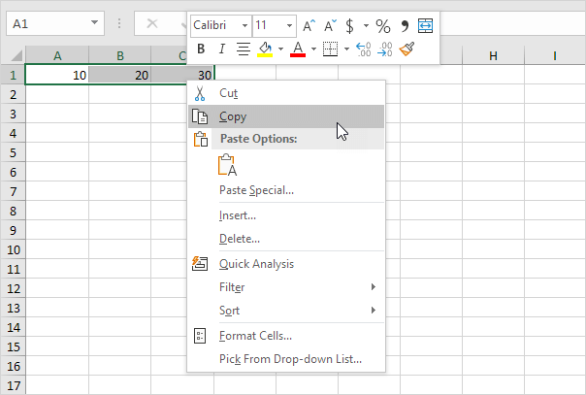

Sales | Qtr -1 | Qtr -2 | Qtr -3 | Qtr -4
EAST | 2099 | 2088 | 2077 | 2066
EAST | 4055 | 2355 | 4233 | 2566
EAST | 3022 | 5523 | 8024 | 10525
EAST | 1990 | 8824 | 15658 | 22492

Sales | EAST | EAST | EAST | EAST
Qtr -1 | 2099 | 4055 | 3022 | 1990
Qtr -2 | 2088 | 2355 | 5523 | 8824 |  | Right click, and then click Paste Special.
Qtr -3 | 2077 | 4233 | 8024 | 15658
Qtr -4 | 2066 | 2566 | 10525 | 22492 |  | Check Transpose.

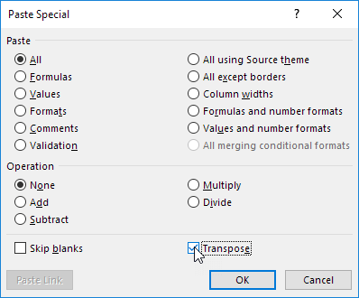
 | Sales | EAST | EAST | EAST | EAST
 | Qtr -1 | 2099 | 4055 | 3022 | 1990
 | Qtr -2 | 2088 | 2355 | 5523 | 8824
 | Qtr -3 | 2077 | 4233 | 8024 | 15658
 | Qtr -4 | 2066 | 2566 | 10525 | 22492

 |  |  |  |  |  | 6. Click OK.

 |  |  |  |  |  | Transpose Function

 |  |  |  |  |  | To insert the TRANSPOSE function, execute the following steps.

 |  |  |  |  |  | 1. First, select the new range of cells.

 |  |  |  |  |  | 2. Type in =TRANSPOSE(

 |  |  |  |  |  | 3. Select the range A1:C1 and close with a parenthesis.

Range
Exercise 9
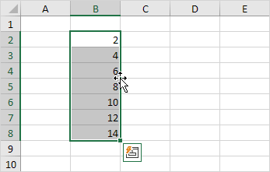
What is range in Excel ? =sum(D8:G8)

A range in Excel is a collection of two or more cells.

Department Report

DeptID | Department | Q1 | Q2 | Q3 | Q4
200 | Operations | 239,752 | 392,538 | 283,061 | 336,198
202 | Research | 101,058 | 399,246 | 367,008 | 188,655
206 | Manufacturing | 357,508 | 192,768 | 106,349 | 237,665
 | TOTAL | $698,318

Filter
Exercise 13 |  |  |  |  |  | Apply or Remove Filter | CTRL+SHIFT+L
 |  |  |  |  |  | Open Filter Dropdown | ALT+DOWN ARROW
How to Filter DATA for data analysis ? |  |  |  |  |  | Clear Filters | ALT+A+T
The FILTER function allows you to filter a range of data based on criteria you define.

BAJAJ SUPER SALES

ID | Dealer Name | Model No | City | Price | Quantity | Rpt Dt | DAY | Filter your Excel data if you only want to display records that meet certain criteria.
311587 | Smith,Jacob | Bajaj Pulsar RS200 | Henderson | 207,868 | 2.000000 | 2010-12-16 | THURSDAY
645109 | Johnson,Michael | Bajaj Pulsar NS 200 | Henderson | 171,757 | 8.000000 | 2010-12-15 | WEDNESDAY | 1. Click any single cell inside a data set.
645109 | Johnson,Michael | Bajaj Pulsar NS 160 | Los Angeles | 155,455 | 8.000000 | 2010-12-16 | THURSDAY
835119 | Williams,Joshua | Bajaj Pulsar 220 F | Fort Lauderdale | 166,837 | 5.000000 | 2010-12-15 | WEDNESDAY | 2. On the Data tab, in the Sort & Filter group, click Filter.
921565 | Jones,Matthew | Bajaj Pulsar 150 | Fort Lauderdale | 131,389 | 8.000000 | 2010-12-16 | THURSDAY
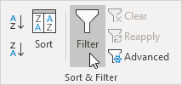
904174 | Brown,Daniel | Bajaj Pulsar 150 Twin Disc | Los Angeles | 141,279 | 4.000000 | 2010-12-16 | THURSDAY
108501 | Davis,Christopher | Bajaj Pulsar 150 Neon | Los Angeles | 129,038 | 3.500000 | 2010-12-15 | WEDNESDAY
806984 | Miller,Andrew | Bajaj Pulsar 180F Neon | Los Angeles | 152,403 | 8.000000 | 2010-12-16 | THURSDAY
605544 | Wilson,Ethan | Bajaj Avenger Cruise 220 | Los Angeles | 170,899 | 8.000000 | 2010-12-15 | WEDNESDAY
261528 | Moore,Joseph | Bajaj Avenger Street 160 | Los Angeles | 140,093 | 8.000000 | 2010-12-15 | WEDNESDAY
261528 | Moore,Joseph | Bajaj Platina 100 | Los Angeles | 68,033 | 8.000000 | 2010-12-16 | THURSDAY
682726 | Taylor,William | Bajaj Platina 110 | Los Angeles | 87,477 | 1.000000 | 2010-12-15 | WEDNESDAY | To remove the filter, on the Data tab, in the Sort & Filter group, click Clear.
682726 | Taylor,William | Bajaj Platina 110 H Gear | Concord | 87,477 | 1.500000 | 2010-12-16 | THURSDAY | To remove the filter and the arrows, click Filter.
268234 | Anderson,Anthony | Bajaj Dominar 400 | Seattle | 267,850 | 1.500000 | 2010-12-15 | WEDNESDAY
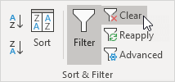
537900 | Thomas,David | Bajaj CT110 | Fort Worth | 64,438 | 2.000000 | 2010-12-15 | WEDNESDAY
935382 | Jackson,Alexander | Bajaj CT100 | Fort Worth | 58,889 | 3.500000 | 2010-12-15 | WEDNESDAY
602526 | White,Nicholas | Bajaj Pulsar RS200 | Madison | 207,868 | 2.000000 | 2010-12-15 | WEDNESDAY
624084 | Harris,Ryan | Bajaj Pulsar NS 200 | West Jordan | 171,757 | 1.250000 | 2010-12-16 | THURSDAY
341458 | Martin,Tyler | Bajaj Pulsar NS 160 | San Francisco | 155,455 | 8.000000 | 2010-12-16 | THURSDAY
674630 | Thompson,James | Bajaj Pulsar 220 F | San Francisco | 166,837 | 2.750000 | 2010-12-16 | THURSDAY
674630 | Thompson,James | Bajaj Pulsar 150 | San Francisco | 131,389 | 1.000000 | 2010-12-16 | THURSDAY
752850 | Garcia,John | Bajaj Pulsar 150 Twin Disc | Fremont | 141,279 | 1.250000 | 2010-12-15 | WEDNESDAY
951321 | Martinez,Jonathan | Bajaj Pulsar 150 Neon | Fremont | 129,038 | 8.750000 | 2010-12-17 | FRIDAY
311587 | Smith,Jacob | Bajaj Pulsar 180F Neon | Philadelphia | 152,403 | 4.000000 | 2010-12-17 | FRIDAY
140990 | Robinson,Noah | Bajaj Avenger Cruise 220 | Orem | 170,899 | 2.000000 | 2010-12-28 | TUESDAY
883669 | Clark,Brandon | Bajaj Avenger Street 160 | Los Angeles | 140,093 | 4.750000 | 2010-12-22 | WEDNESDAY
733760 | Rodriguez,Christian | Bajaj Platina 100 | Los Angeles | 68,033 | 3.500000 | 2010-12-20 | MONDAY
474941 | Lewis,Dylan | Bajaj Platina 110 | Philadelphia | 87,477 | 2.500000 | 2010-12-22 | WEDNESDAY
474941 | Lewis,Dylan | Bajaj Platina 110 H Gear | Philadelphia | 87,477 | 1.500000 | 2010-12-28 | TUESDAY
615307 | Lee,Samuel | Bajaj Dominar 400 | Philadelphia | 267,850 | 4.000000 | 2010-12-17 | FRIDAY
144775 | Walker,Benjamin | Bajaj CT110 | Philadelphia | 64,438 | 2.000000 | 2010-12-28 | TUESDAY
54857 | Hall,Zachary | Bajaj CT100 | Philadelphia | 58,889 | 1.000000 | 2010-12-21 | TUESDAY
969490 | Allen,Nathan | Bajaj Pulsar RS200 | Philadelphia | 207,868 | 3.000000 | 2010-12-21 | TUESDAY
969490 | Allen,Nathan | Bajaj Pulsar NS 200 | Philadelphia | 171,757 | 8.000000 | 2010-12-22 | WEDNESDAY
579919 | Young,Logan | Bajaj Pulsar NS 160 | Houston | 155,455 | 2.000000 | 2010-12-22 | WEDNESDAY
599675 | Hernandez,Justin | Bajaj Pulsar 220 F | Richardson | 166,837 | 2.000000 | 2010-12-22 | WEDNESDAY
625135 | King,Gabriel | Bajaj Pulsar 150 | Richardson | 131,389 | 1.000000 | 2010-12-28 | TUESDAY
664825 | Wright,Jose | Bajaj Pulsar 150 Twin Disc | Houston | 141,279 | 8.000000 | 2010-12-30 | THURSDAY
664825 | Wright,Jose | Bajaj Pulsar 150 Neon | Houston | 129,038 | 6.000000 | 2010-12-29 | WEDNESDAY
459949 | Lopez,Austin | Bajaj Pulsar 180F Neon | Houston | 152,403 | 2.000000 | 2010-12-17 | FRIDAY
375792 | Hill,Kevin | Bajaj Avenger Cruise 220 | Houston | 170,899 | 4.000000 | 2010-12-20 | MONDAY
459949 | Lopez,Austin | Bajaj Avenger Street 160 | Naperville | 140,093 | 8.000000 | 2011-01-03 | MONDAY
459949 | Lopez,Austin | Bajaj Platina 100 | Los Angeles | 68,033 | 4.000000 | 2011-01-04 | TUESDAY
869277 | Scott,Elijah | Bajaj Platina 110 | Melbourne | 87,477 | 8.000000 | 2010-12-29 | WEDNESDAY
389844 | Green,Caleb | Bajaj Platina 110 H Gear | Eagan | 87,477 | 2.000000 | 2010-12-22 | WEDNESDAY
389844 | Green,Caleb | Bajaj Dominar 400 | Eagan | 267,850 | 8.000000 | 2010-12-23 | THURSDAY
873164 | Adams,Robert | Bajaj CT110 | Westland | 64,438 | 3.000000 | 2010-12-28 | TUESDAY
935382 | Jackson,Alexander | Bajaj CT100 | Dover | 58,889 | 8.000000 | 2010-12-30 | THURSDAY
935382 | Jackson,Alexander | Bajaj Pulsar RS200 | Dover | 207,868 | 8.000000 | 2010-12-29 | WEDNESDAY
555166 | Baker,Thomas | Bajaj Pulsar NS 200 | New Albany | 171,757 | 8.000000 | 2010-12-22 | WEDNESDAY
555166 | Baker,Thomas | Bajaj Pulsar NS 160 | New Albany | 155,455 | 6.250000 | 2010-12-21 | TUESDAY
555166 | Baker,Thomas | Bajaj Pulsar 220 F | New Albany | 166,837 | 4.000000 | 2010-12-17 | FRIDAY
503495 | Gonzalez,Jordan | Bajaj Pulsar 150 | New Albany | 131,389 | 2.000000 | 2010-12-20 | MONDAY
503495 | Gonzalez,Jordan | Bajaj Pulsar 150 Twin Disc | New York City | 141,279 | 8.000000 | 2010-12-22 | WEDNESDAY
935382 | Jackson,Alexander | Bajaj Pulsar 150 Neon | New York City | 129,038 | 8.000000 | 2010-12-28 | TUESDAY
35938 | Nelson,Cameron | Bajaj Pulsar 180F Neon | Troy | 152,403 | 2.000000 | 2010-12-17 | FRIDAY
162126 | Carter,Jack | Bajaj Avenger Cruise 220 | Troy | 170,899 | 3.000000 | 2010-12-20 | MONDAY
453743 | Mitchell,Hunter | Bajaj Avenger Street 160 | Troy | 140,093 | 3.250000 | 2010-12-20 | MONDAY
674630 | Thompson,James | Bajaj Platina 100 | Troy | 68,033 | 8.000000 | 2010-12-20 | MONDAY
422727 | Perez,Jackson | Bajaj Platina 110 | Troy | 87,477 | 8.000000 | 2010-12-21 | TUESDAY
820836 | Roberts,Angel | Bajaj Platina 110 H Gear | Troy | 87,477 | 4.000000 | 2010-12-17 | FRIDAY
647912 | Turner,Isaiah | Bajaj Dominar 400 | Troy | 267,850 | 2.500000 | 2010-12-17 | FRIDAY
363618 | Phillips,Evan | Bajaj CT110 | Los Angeles | 64,438 | 1.000000 | 2010-12-21 | TUESDAY
309284 | Campbell,Isaac | Bajaj CT100 | Los Angeles | 58,889 | 8.000000 | 2010-12-20 | MONDAY
694606 | Parker,Mason | Bajaj Pulsar RS200 | Los Angeles | 207,868 | 7.000000 | 2010-12-20 | MONDAY
694606 | Parker,Mason | Bajaj Pulsar NS 200 | Los Angeles | 171,757 | 0.500000 | 2010-12-29 | WEDNESDAY
942722 | Evans,Luke | Bajaj Pulsar NS 160 | Chicago | 155,455 | 1.000000 | 2010-12-21 | TUESDAY
689783 | Edwards,Jason | Bajaj Pulsar 220 F | Gilbert | 166,837 | 3.000000 | 2010-12-29 | WEDNESDAY
572634 | Collins,Gavin | Bajaj Pulsar 150 | Gilbert | 131,389 | 8.000000 | 2010-12-17 | FRIDAY
572634 | Collins,Gavin | Bajaj Pulsar 150 Twin Disc | Springfield | 141,279 | 8.000000 | 2010-12-20 | MONDAY
572634 | Collins,Gavin | Bajaj Pulsar 150 Neon | New York City | 129,038 | 8.000000 | 2010-12-21 | TUESDAY
572634 | Collins,Gavin | Bajaj Pulsar 180F Neon | Jackson | 152,403 | 8.000000 | 2010-12-22 | WEDNESDAY
53568 | Stewart,Jayden | Bajaj Avenger Cruise 220 | Memphis | 170,899 | 8.000000 | 2010-12-30 | THURSDAY
341458 | Martin,Tyler | Bajaj Avenger Street 160 | Memphis | 140,093 | 8.000000 | 2010-12-30 | THURSDAY
645109 | Johnson,Michael | Bajaj Platina 100 | Memphis | 68,033 | 4.000000 | 2010-12-21 | TUESDAY
645109 | Johnson,Michael | Bajaj Platina 110 | Houston | 87,477 | 8.000000 | 2010-12-22 | WEDNESDAY
645109 | Johnson,Michael | Bajaj Platina 110 H Gear | Houston | 87,477 | 8.000000 | 2010-12-23 | THURSDAY
309793 | Sanchez,Aaron | Bajaj Dominar 400 | Houston | 267,850 | 2.000000 | 2010-12-22 | WEDNESDAY
689074 | Morris,Connor | Bajaj CT110 | Houston | 64,438 | 8.000000 | 2010-12-28 | TUESDAY
689074 | Morris,Connor | Bajaj CT100 | Decatur | 58,889 | 8.000000 | 2010-12-29 | WEDNESDAY
689074 | Morris,Connor | Bajaj Pulsar RS200 | Decatur | 207,868 | 8.000000 | 2010-12-30 | THURSDAY
609303 | Rogers,Aiden | Bajaj Pulsar NS 200 | San Francisco | 171,757 | 8.000000 | 2010-12-28 | TUESDAY
185450 | Reed,Aidan | Bajaj Pulsar NS 160 | Springfield | 155,455 | 4.000000 | 2010-12-21 | TUESDAY
525099 | Cook,Kyle | Bajaj Pulsar 220 F | New York City | 166,837 | 8.000000 | 2010-12-20 | MONDAY
217327 | Morgan,Juan | Bajaj Pulsar 150 | Jackson | 131,389 | 8.000000 | 2010-12-17 | FRIDAY
585545 | Bell,Charles | Bajaj Pulsar 150 Twin Disc | Memphis | 141,279 | 8.000000 | 2010-12-28 | TUESDAY

